Sheet1
Fluorophore | Marker
FITC-A | IFNa | pro inflammatory cytokine (part of response)
PE-A | CD123 | Dendritic cells
PerCP-Cy5-5-A | MHCII | Expressed by APCs (B cells, Mono/Macs, DCs), upregulated upon infection and presentation of antigen
PE-Cy7-A | CD14 | Monocytes/Macrophages
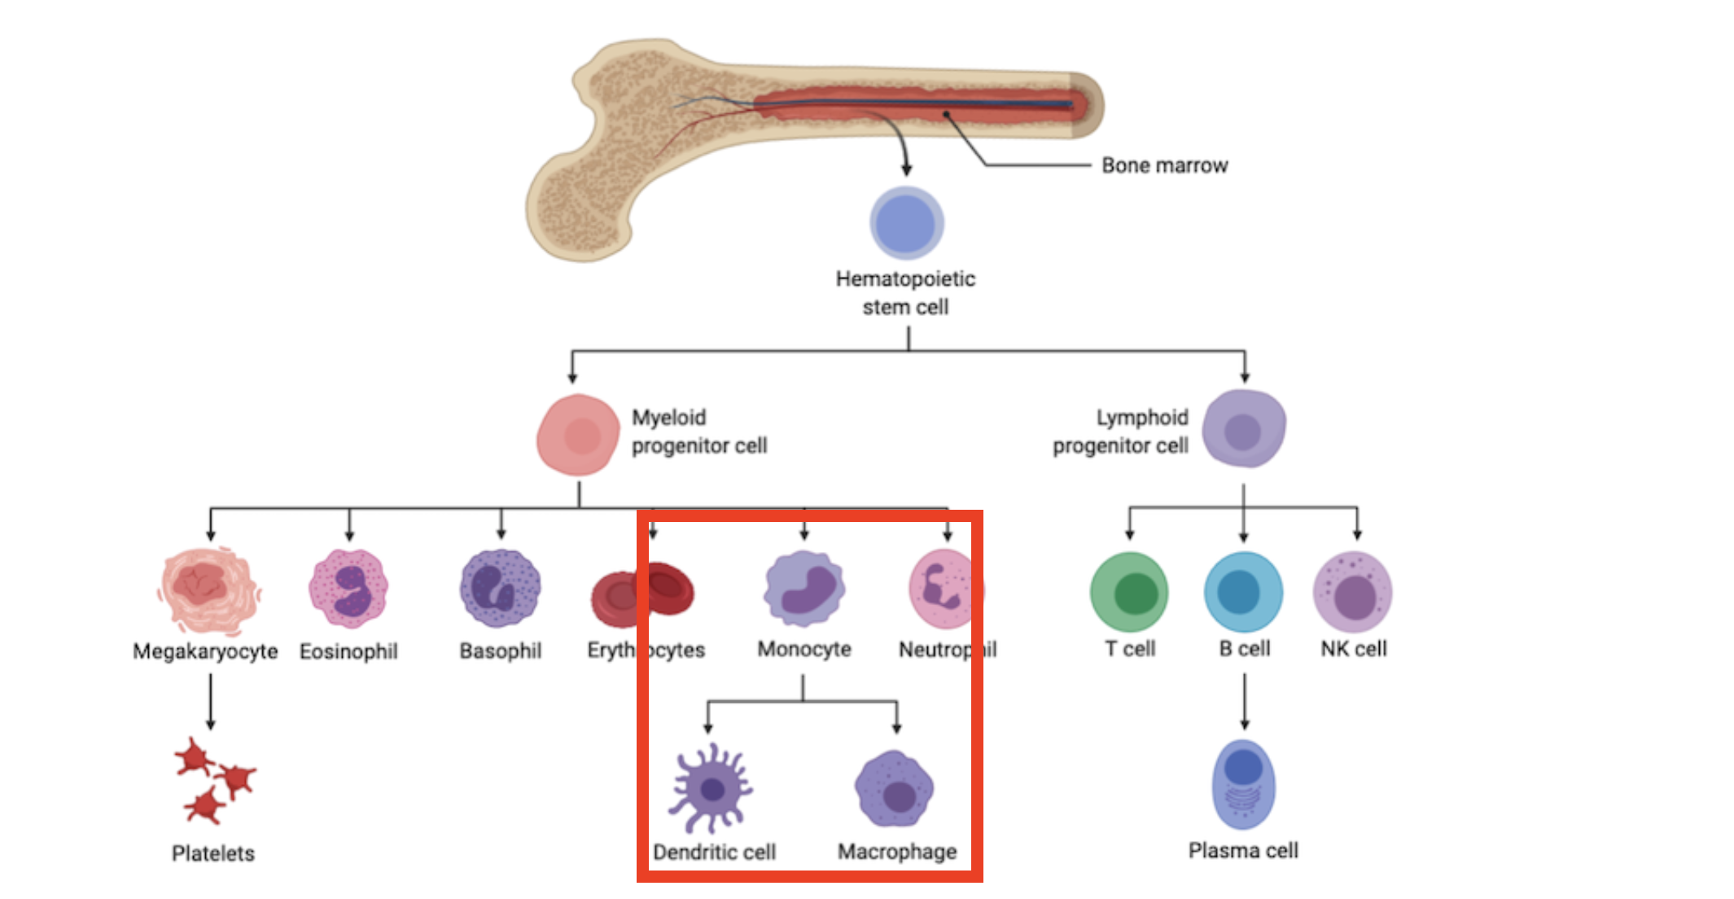
APC-A | CD11c | Dendritic cells
APC-Cy7-A | IL6 | pro inflammatory cytokine (part of response)
Pac Blue-A | IL12 | pro inflammatory cytokine (part of response)
Alexa Fluor 700-A | TNFa | pro inflammatory cytokine (part of response)

LPS is a TLR4 activator which is predominantly expressed by myeloid cells

 |  |  | https://blog.cellsignal.com/immunology-what-cells-have-a-myeloid-lineage-and-how-are-they-identified

